General Information
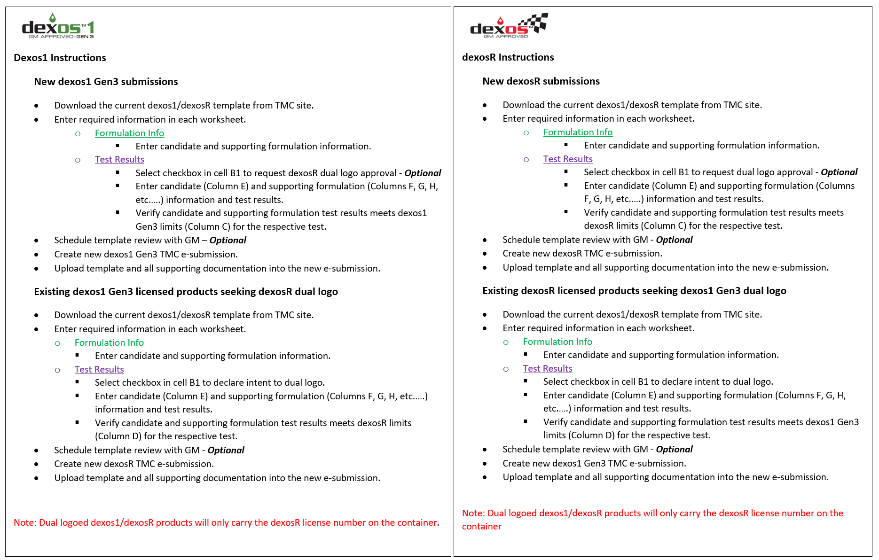
GM dexos1 Gen3/dexosR Engine oil Submission Template April 3, 2024
The dexos1 Gen3/dexosR submission template is the single template used for new dexos1 Gen3, dexosR and dual logoed dexos1/dexosR formulations. ▪Templates are to include all test result information, missing data will delay the review process ▪Only one "Candidate Formulation" is permitted per template, multiple viscosity grades of the candidate formulation are permitted and can be added by inserting additional "Candidate Formulation" columns ▪Multiple "Supporting Formulation" columns may be used to support claims for BOI/VGRA, minor mod, bracketing, etc. ▪The “additional comment” section is for further explanation of read across if using multiple approved formulas, or if there is a need to include additional information. Additional template instructions shown below.

